1. Pivot Table
1. Pivot Table |  |  | >> back to Content
Excel Training- Pivots and Formatting

A) Grouping Variables

 | Why?
 | - Helps in interpreting variables at a level which are useful for drawing meaningful inference

 | Steps
 | - Create a pivot table using data

 | - Put metric to be observed in the "Value Filed"

 | - Place grouping variable in the "Row Field"

 | E.g. “Total units sold by salesperson in each month/ Quarter”
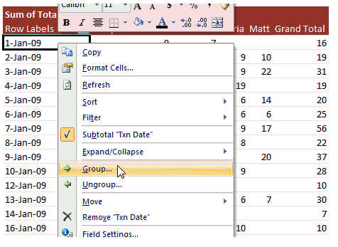

 | By Quarter & Month | By Month
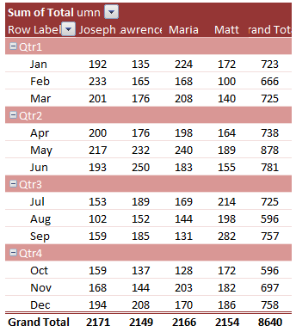
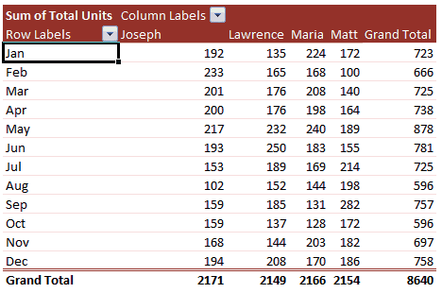

B) Summarizing "Values"

 | Why?
 | - Provides flexibility to measure a metric in various ways

 | How?

 | E.g. "Average sales/transaction by salesperson for each product being sold across region”
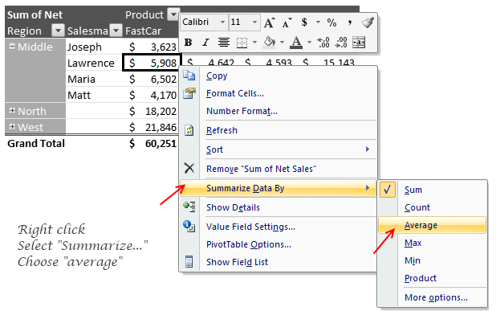

C) Calculated Field

 | Why?
 | - Provides flexibility to create measures which can't be obtained just by different ways of summarizing "values"

 | How?

 | E.g. "%Profit for each salesperson”
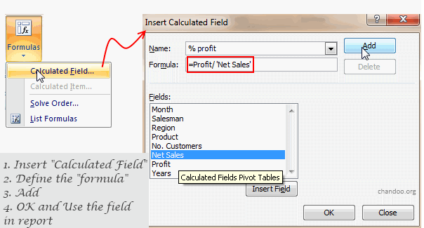

C) Client Ready Pivots

 | Key Steps
 | - Include pivot header at top left

 | - Create atleast one relevant view

 | - Place frequently used filtering variables in "Report Filter" area

 | - Include a detailed variable name and mapping dictionary or replace raw variable names with proper labels

 | - Metric units should be mentioned in the labels

 | - All calculated metrics to be created using "Calculate Field" option

 | - Use custom cell formatting to properly format each metric

 | - Print formatting (If required)

 | Strict No
 | - Manual calculations in rows or columns beside pivot table

 | - Variables not required in the analysis

2. Formatting
2. Formatting |  | >> back to Content
Excel Training- Pivots and Formatting

 | Why?
 | - Excel spreadsheet are often shared with the client or across project teams

 | - Often these documents are used by client in paper format rather than a soft copy

 | Formatting Tips

 | A) Page Layout and Scale

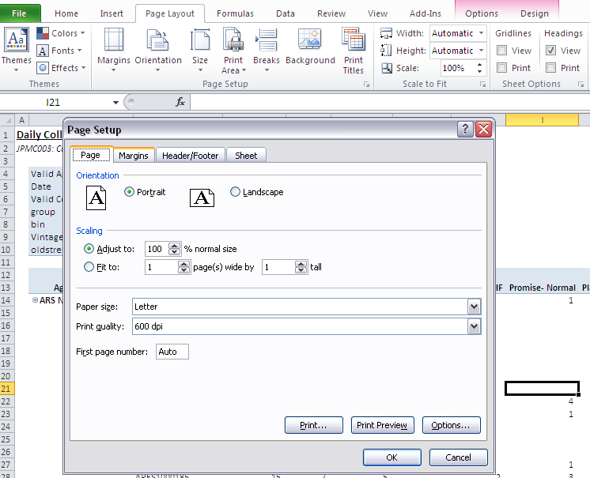
Page Scale: Try to keep it same for various excel tabs

Page Orientation: General preferred option is Landscape

Page Fit: Can be used to divide print area into desired number of pages

 | B) Header & Footer

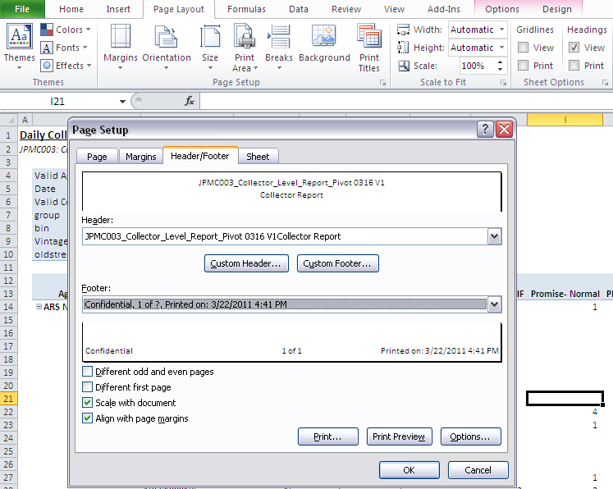
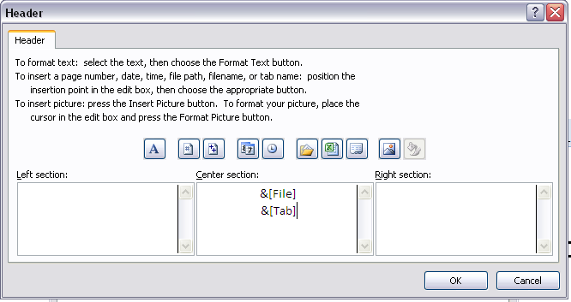

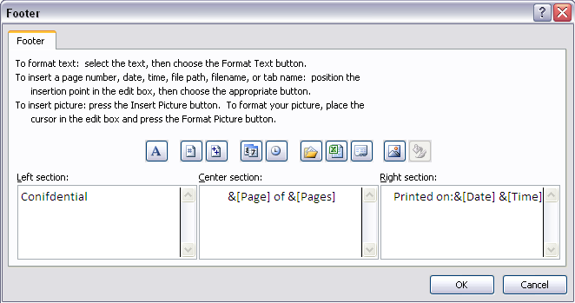

 | C) Row or Column Repitition

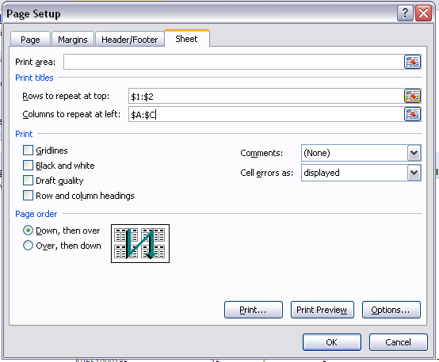

Provides flexibility to repeat a portion of page when one sheet is divided into multiple print pages

 | D) Sheet Views

Excel 2010 provides 3 views for fine tuning page formatting before taking final print out

 | E) Tips
 | - All pages should have same scale (as far as posisble)
 | - Follow constant view percent
 | - General page orientation: Landscape
 | - Insert header and footer in all pages
 | - Use repeat row and column option wherever required

